Home
SUBNATIONAL INDEX FOR RISK MANAGEMENT (CAUCASUS AND CENTRAL ASIA, 2017)
(release: 19 May 2017 v1.1)

(table of contents)
CONCEPT AND METHODOLOGY
The INFORM initiative began in 2012 as a convergence of interests of UN agencies, donors, NGOs and research institutions to establish a common evidence-base for global humanitarian risk analysis. The subnational INFORM model for Caucasus and Central Asia was initiated by the Regional Inter-Agency Standing Committee (IASC) Task Force for Caucasus and Central Asia and is managed by OCHA. The INFORM model is being used to support coordinated preparedness actions. Partners hope to use the model to improve cooperation between humanitarian and development actors in managing risk and building resilience across the region. INFORM identifies areas at a high risk of humanitarian crisis that are more likely to require international assistance. The INFORM model is based on risk concepts published in scientific literature and envisages three dimensions of risk: Hazards & Exposure, Vulnerability and Lack of Coping Capacity. The INFORM model is split into different levels to provide a quick overview of the underlying factors leading to humanitarian risk. The regional subnational INFORM model for Caucasus and Central Asia is developed at the first administrative level (corresponding to the provinces/oblasts/regions and few independent cities) of the eight countries in South Caucasus and Central Asia. The INFORM index supports a proactive crisis management framework. It will be helpful for an objective allocation of resources for disaster management as well as for coordinated actions focused on anticipating, mitigating, and preparing for humanitarian emergencies.

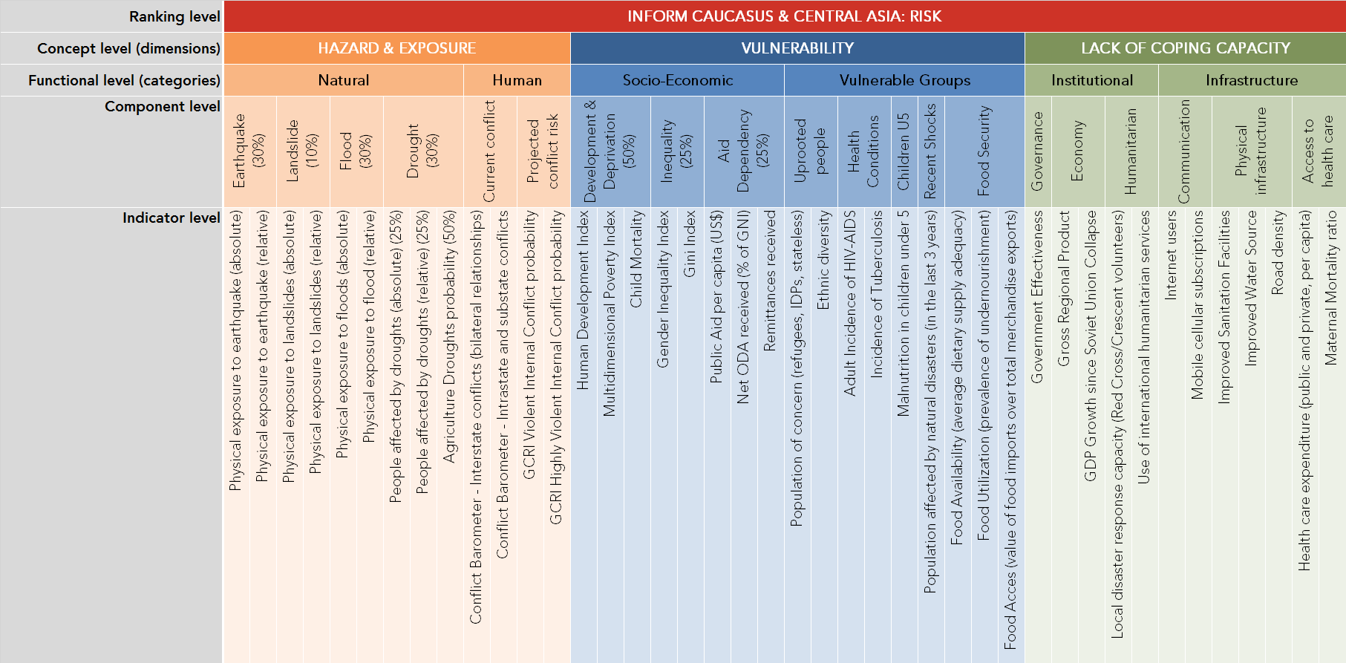
Disclaimers
1) The depiction and use of geographic names and related data included in lists and tables on this spreadsheet are not warranted to be error free nor do they necessarily imply official endorsement or acceptance by the United Nations. 2) Some areas in the region could not be included in the subnational INFORM model because only partial data and/or incomplete data was available. 3) There were no accurate geographical boundaries available to visualize results of some areas on maps.
Further information
http://www.inform-index.org/Subnational/Central-Asia-Caucasus

Previous Releases
v1.0 (10 April 2017)

