Home
SUBNATIONAL INDEX FOR RISK MANAGEMENT (CAUCASUS AND CENTRAL ASIA, 2021)
(updated: 30 September 2021)

(table of contents)
CONCEPT AND METHODOLOGY
The INFORM initiative began in 2012 as a convergence of interests of UN agencies, donors, NGOs and research institutions to establish a common evidence-base for global humanitarian risk analysis. The subnational INFORM model for Caucasus and Central Asia was initiated by the Regional Inter-Agency Standing Committee (IASC) Task Force for Caucasus and Central Asia and developed by OCHA. The first INFORM risk index results were published in July 2017. Since 2021 the INFORM model is maintained by the Center on Emergency Situations and Disaster Risk Reductions (CESDRR) in collaboration with UNDRR Regional Office for Europe and Central Asia and with financial support from USAID BHA. The INFORM model is being used to support coordinated preparedness actions. Partners hope to use the model to improve cooperation between humanitarian and development actors in managing risk and building resilience across the region. INFORM identifies areas at a high risk of humanitarian crisis that are more likely to require international assistance. The INFORM model is based on risk concepts published in scientific literature and envisages three dimensions of risk: Hazards & Exposure, Vulnerability and Lack of Coping Capacity. The INFORM model is split into different levels to provide a quick overview of the underlying factors leading to humanitarian risk. The regional subnational INFORM model for Caucasus and Central Asia is developed at the first administrative level (corresponding to the provinces/oblasts/regions and few independent cities) of the eight countries in South Caucasus and Central Asia. The INFORM index supports a proactive crisis management framework. It will be helpful for an objective allocation of resources for disaster risk reduction, management as well as for coordinated actions focused on anticipating, mitigating, and preparing for humanitarian emergencies.

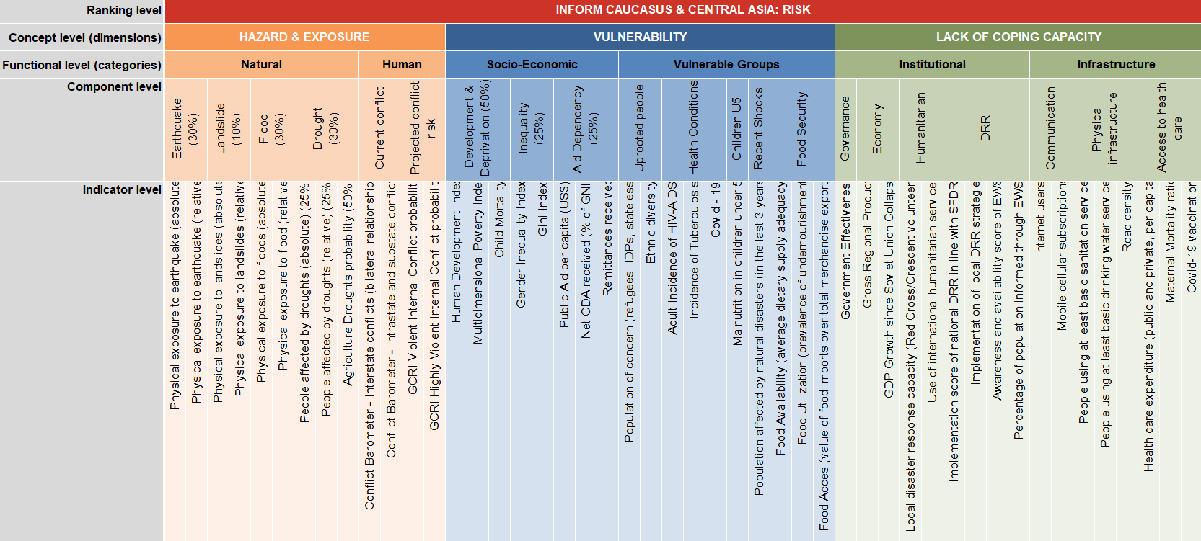
Disclaimers
1) The depiction and use of geographic names and related data included in lists and tables on this spreadsheet are not warranted to be error free nor do they necessarily imply official endorsement or acceptance by the United Nations or CESDRR. 2) Some areas in the region could not be included in the subnational INFORM model because only partial data and/or incomplete data was available. 3) There were no accurate geographical boundaries available to visualize results of some areas on maps.
Further information
https://drmkc.jrc.ec.europa.eu/inform-index/INFORM-Subnational-Risk/Central-Asia-Caucasus

Previous Releases
Subnational INFORM RISK 2021
28/07/2021 v 3.5 - Updated indicators: Physical exposure to earthquake (absolute), Physical exposure to landslides, Physical exposure to flood, Agriculture drought probability, People affected by droughts, Conflict Barometer - Interstate conflicts (bilateral relationships), Conflict Barometer - Intrastate and substate conflicts, Ethnic Diversity, GCRI Violent Internal Conflict probability, GCRI High Violent Internal Conflict probability, Human development index, Multidimensional Poverty Index, Gross Regional Product, Gross Domestic Product growth, Remittances, Gender Inequality Index (including Maternal mortality ratio, Adolescent birth rate, Female educational attainment, Male educational attainment, Female shares of governing seats, Male shares of governing seats, Female labour force participation rate, Male labour force participation rate that are used to calculate Gender Inequality Indes), Income Gini coefficient, Humanitarian Aid (FTS), Development Aid 2019 (ODA), Development Aid 2018(ODA), Net ODA received vs. provided (% of GNI), Persons of Concern (including Refugees by country of asylum, Internally displaced persons (IDPs), Statelessness), Adult Incidence of HIV-AIDS, Incidence of Tuberculosis, Child Mortality, Children Under Weight, Population affected by natural disasters in the last 3 years, Food availability: Average dietary supply adequacy, Food utilization: Prevalence of undernourishment, Food access: Value of food imports over total merchanise exports, Government effectiveness, Red Cross/Crescent volunteers, CERF&Flash Appeals, Emergencies requiring smaller scale international humanitarian assisstance, Internet users, Mobile cellular subscriptions, Health expenditure per capita, Road density.New component: DRR. New indicators: 'Incidences of Covid-19 cases', 'Number of Covid-19 fatalities' under Vulnerability dimension, Vulnerable groups category, Health conditions component; New component: DRR is added to the Institutional category of the Lack of

Subnational INFORM 2017
v1.0 (10 April 2017). Subnational INFORM risk index - first results published.

