Home
Latin America and Caribbean Index for Risk Management (INFORM 2018)
(December 2017 v 0.0.5)

(table of contents)
CONCEPT AND METHODOLOGY
The INFORM initiative began in 2012 as a convergence of interests of UN agencies, donors, NGOs and research institutions to establish a common evidence-base for global humanitarian risk analysis. INFORM identifies the countries at a high risk of humanitarian crisis that are more likely to require international assistance. The INFORM model is based on risk concepts published in scientific literature and envisages three dimensions of risk: Hazards & Exposure, Vulnerability and Lack of Coping Capacity. The INFORM model is split into different levels to provide a quick overview of the underlying factors leading to humanitarian risk. The INFORM index supports a proactive crisis management framework. It will be helpful for an objective allocation of resources for disaster management as well as for coordinated actions focused on anticipating, mitigating, and preparing for humanitarian emergencies.

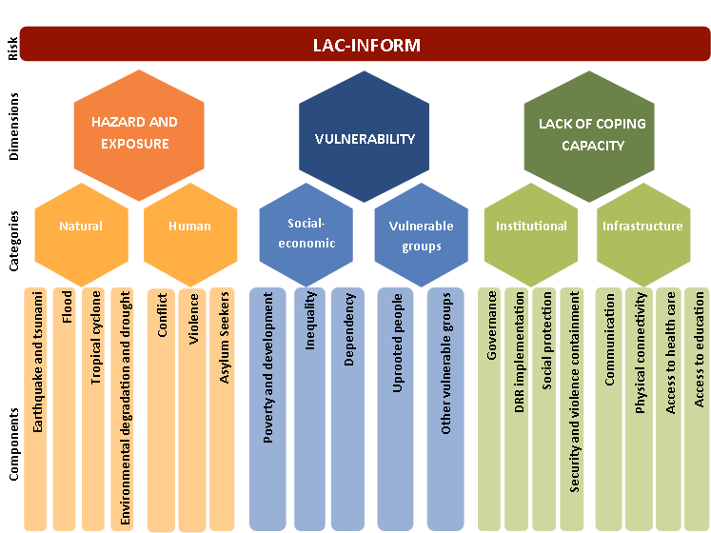
Disclaimer The depiction and use of geographic names and related data included in lists, tables on this spreadsheet are not warranted to be error free nor do they necessarily imply official endorsement or acceptance by the United Nations.
For further information:
http://www.inform-index.org/Subnational/LAC

LAC-INFORM Regional Model: 30 September v005 - Update:
The following indicators have been updated: Intentional Homicide Rate, Intentional Homicide Count, Asylum seekers by country of origin, Population in multidimensional poverty, Population in near multidimensional poverty, Poverty headcount ratio at national poverty lines, Age dependency ratio , Personal remittances, Vulnerable employment, U5 Stunting, One-year-olds fully immunized against DTP3, People affected by Natural Disasters 2016, People affected by Natural Disasters, Dengue incidence, Adolescent fertility rate, Mortality in adolescents due to self-harm and interpersonal violence, Violence containment costs, Survival rate to the last grade of primary education, Survival rate to the last grade of lower secondary general education, Educational attainment: at least completed lower secondary, Education expenditure, Pupil-teacher ratio in primary education.
The indicator on prevalence of anaemia among pregnant women has been replaced with the indicator on prevalence of anaemia in women of reproductive age. Two components of the other vulnerable groups category of the vulnerability dimension have been slightly revised: The indicator on anaemia in women of reproductive age has been moved from the group of food insecure to the group of children under five. The vulnerability of the children U5 group focuses on nutrition and health conditions. A new indicator on prevalence of anaemia in children under five has been included in this component, as well as a new sub-component on maternal/adolescent nutrition conditions, which is measured by low birth weight and anaemia in women of reproductive age.
The definition and measurement of the violence containment cost indicator reported by the Global Peace Index has changed. The revised indicator takes into account the direct and indirect economic costs of violence, while the previous version of the indicator considered direct violence containment costs only.
Indicators updated with the latest version of the INFORM Global Model (31 August 2017 v 0.3.3): Total affected by Drought, Frequency of Drought events, GCRI Violent Conflict probability, GCRI Highly Violent Conflict probability, National Power Conflict Intensity (Highly Violent), Subnational Conflict Intensity (Highly Violent), Human Development Index, Physicians Density, One-year-olds fully immunized against measles, Tuberculosis incidence, HIV-AIDS incidence, Adult (>15) rate, Gender Inequality Index, Income Gini coefficient, People affected by Natural Disasters 2015, Internally displaced persons (IDPs), Refugees by country of asylum, Returned Refugees, Government Effectiveness, Corruption Perception Index, Access to electricity, Internet users, Mobile cellular subscriptions, GDP per capita PPP int USD (Estimated), Total Population

