About
SUBNATIONAL INFORM RISK INDEX (SOUTH EAST EUROPE, 2021)

(release: 9 November 2021 v0.1)

(table of Contents)
CONCEPT AND METHODOLOGY
The INFORM is a multi-stakeholder forum aiming to develop quantitative analysis relevant to disaster risk reduction and response to humanitarian crises. The initiative started in 2012 and includes organisations from across the multilateral system, including the humanitarian and development sector, donors, and technical partners. The INFORM risk assessment tool is open-source and its results support decisions at different stages of the disaster management cycle, including prevention, preparedness and response. The subnational INFORM model for South East Europe for 3 pilot countries: Albania, Montenegro and North Macedonia, was initiated by UNDRR Regional Office for Europe and Central Asia (ROECA) and the Secretariat of Disaster Preparedness and Prevention Initiative for South East Europe (DPPI SEE) upon prior consent of all DPPI SEE Member States. The INFORM model has been developed under supervision of the EC's JRC INFORM team and financial support from USAID BHA. The INFORM risk index results were produced in close collaboration with national and regional organization/data providers followed by regular meetings of the Regional Working Group (RWG) on INFORM. The RWG members are 2-3 representatives from each Government in the pilot countries (represented by their national civil protection authorities), including the Sendai Monitor National Focal Point, DPPI SEE Secretariat and UNDRR ROECA. Partners hope to use the model to improve cooperation between humanitarian and development actors in managing risk and building resilience across the region. INFORM identifies areas at a high risk of humanitarian crisis that are more likely to require international assistance. The INFORM model is based on risk concepts published in scientific literature and envisages three dimensions of risk: Hazards & Exposure, Vulnerability and Lack of Coping Capacity. The INFORM model is split into different levels to provide a quick overview of the underlying factors leading to humanitarian

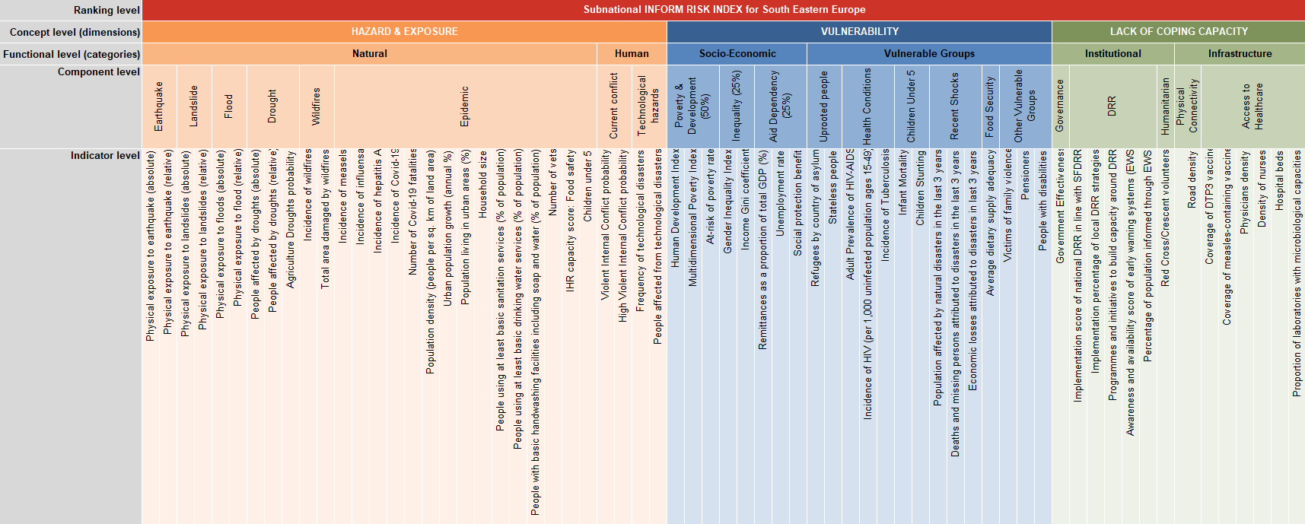
Disclaimer
1) The depiction and use of geographic names and related data included in lists and tables on this spreadsheet are not warranted to be error free nor do they necessarily imply official endorsement or acceptance by the United Nations or the Secretariat of DPPI SEE.
Further information
http://www.inform-index.org/

Subnational INFORM 2021
v0.1 (9 November 2021). Subnational INFORM risk index - first results for 3 countries published

